P4-5
Problem 4-5
Datacrackers, Inc.

2.5 | 3.9 | 3.8 | 4.9 | 3.6 | 3.5 | 2.9 | 3.8 | 2.5 | 1.9
4.9 | 4.4 | 3.6 | 4 | 2.4 | 4 | 2.4 | 4.1 | 3.4 | 3
3.6 | 3.9 | 2.5 | 4.2 | 3.1 | 4.1 | 5 | 1.7 | 3.3 | 4.5
4.3 | 3.1 | 4 | 2.4 | 5 | 3.7 | 3 | 4.3 | 3.8 | 4
1.9 | 2.7 | 3.8 | 4.4 | 2 | 4.5 | 4.1 | 4.7 | 2.6 | 4.6
3.9 | 3.7 | 4 | 3.5 | 4.3 | 3.7 | 3.8 | 3.2 | 2.5 | 4.6
3.2 | 3.6 | 3.2 | 4.8 | 5 | 2.8 | 3.8 | 3.1 | 3 | 3.9
4 | 3.7 | 3.5 | 5 | 3.9 | 3.4 | 3.2 | 3.6 | 4.3 | 1.7
3.1 | 4.9 | 2.6 | 3.5 | 3.5 | 2.8 | 4.3 | 2.3 | 3.8 | 3.9
3.6 | 3.6 | 3.7 | 3.2 | 5.3 | 2.5 | 3.2 | 3.4 | 3.4 | 4.3
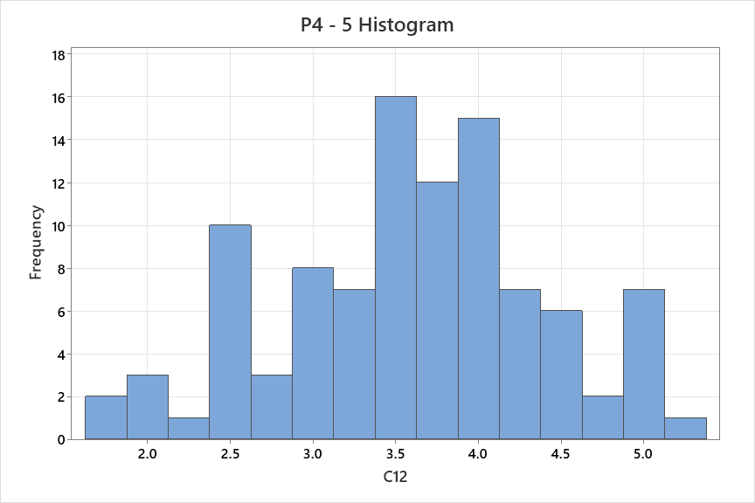

Mean | 3.591
StdDev | 0.80880195726
Variance | 0.65416060606
Median | 3.65
Mode | 3.8
Min | 1.7
Max | 5.3

 |  | The data appears to have a normal distribution. Graph generated using minitab.

